Model
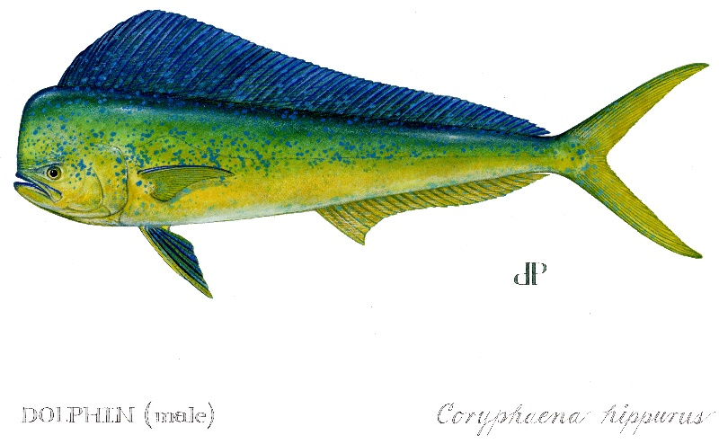
 |  |  |  |  |  |  |  |  |  |  |  |  |  |  |  |  |  |  |  |  |  |  |  | Jan, | Feb, | Mar, | Apr, | May, | Jun, | Jul, | Aug, | Sep, | Oct, | Nov, | Dec,
 | ATLANTIC DOLPHIN RECREATIONAL DECISION TOOL
 | This Decision Tool was created for Amendment 10 to the Fishery Management Plan for the Dolphin Wahoo Fishery of the Atlantic (Amendment 10). The tool was created to review closed season, bag limit, and vessel limit analyses for Atlantic dolphin. The tool incorporates 2015 to 2019 data to compute percent reductions from selected management actions.

 |  |  |  |  |  |  |  |  |  |  |  |  |  |  |  |  |  |  |  |  | 1 | 1 | 1
 |  |  |  |  |  |  |  |  |  |  |  |  |  |  |  |  |  |  |  |  |  | 1 | 1
 | MODEL INPUTS:
 |  |  |  | Jan | Feb | Mar | Apr | May | Jun | Jul | Aug | Sep | Oct | Nov | Dec |  |  | 2 | 4 | 4 |  | 1 | 1
 |  |  | 1. Select seasonal closure: | 31 | 28 | 31 | 30 | 31 | 30 | 31 | 31 | 30 | 31 | 30 | 31 | <- max days to close |  |  |  |  | 1 | 1 | 1
 |  |  | Select number of days each month will be closed: |  |  | 0 | 0 | 0 | 0 | 0 | 0 | 0 | 0 | 0 | 0 | <- days closed
 |  |  | Percent of month closed: | 0% | 0% | 0% | 0% | 0% | 0% | 0% | 0% | 0% | 0% | 0% | 0% | <- pct of month closed

Actions 6 and 11 of Amendment 10: |  |  | 2. Select bag limit: |  |  |  |  | Current recreational bag limit: 10 fish

 |  |  | 3. Select vessel limit: |  |  |  |  | Current recreational vessel limit is 60 fish
 |  | Vesel Limits were done for three different regions:
 |  | 1) Atlantic is Maine to East Florida (including Monroe County)
 |  | 2) South Carolina, Georgia, and East Florida (inclduding Monroe County)
 |  | 3) Only East Florida (including Monroe County)

 |  |  |  | Jan | Feb | Mar | Apr | May | Jun | Jul | Aug | Sep | Oct | Nov | Dec
 |  |  | Projected Recreational Landings: | 159,714 | 144,257 | 1,235,388 | 1,195,536 | 3,720,263 | 3,600,254 | 4,940,431 | 4,940,431 | 2,319,855 | 2,397,184 | 355,410 | 367,258

 | PROJECTION RESULTS:

 |  |  |  |  | Total Projected Recreational Landings: | 25,375,981

 |  |  |  |  |  |  |  | Note: This model is intended to estimate needed reductions in harvest for future fishing season. This model does not account for effort shifting that may take place during a seasonal closure, nor does it consider any changes in the average size of dolphin. As such, management reductions presented in these tables may overestimate future reductions in harvest.
Action 3 of Amendment 10: |  |  | Annual Catch Limit
 |  |  | Alt. 1 | Alt. 2 | Preferred Alt. 3 | Alt. 4
 |  | Recreational ACL: | 22,113,688 | 23,035,091 | 22,850,811 | 22,605,103
 |  | Projected ACL Overage: | 3,262,293 | 2,340,890 | 2,525,170 | 2,770,878
 |  | ACL %Overage/Underage: | 15% | 10% | 11% | 12% | <---Yellow highlighting denotes projected overage.

 | CUMULATIVE PROJECTED LANDINGS:
 | Projected Landings | Alt 1 ACL | Alt 2 ACL | Preferred Alt 3 ACL | Alt 4 ACL
Jan | 0.0 | 22,113,688 | 23,035,091 | 22,850,811 | 22,605,103
Feb | 159,713.6 | 22,113,688 | 23,035,091 | 22,850,811 | 22,605,103
Mar | 303,971.0 | 22,113,688 | 23,035,091 | 22,850,811 | 22,605,103
Apr | 1,539,358.6 | 22,113,688 | 23,035,091 | 22,850,811 | 22,605,103
May | 2,734,895.0 | 22,113,688 | 23,035,091 | 22,850,811 | 22,605,103
Jun | 6,455,157.7 | 22,113,688 | 23,035,091 | 22,850,811 | 22,605,103
Jul | 10,055,412.0 | 22,113,688 | 23,035,091 | 22,850,811 | 22,605,103
Aug | 14,995,843.0 | 22,113,688 | 23,035,091 | 22,850,811 | 22,605,103
Sep | 19,936,274.0 | 22,113,688 | 23,035,091 | 22,850,811 | 22,605,103
Oct | 22,256,129.2 | 22,113,688 | 23,035,091 | 22,850,811 | 22,605,103
Nov | 24,653,313.0 | 22,113,688 | 23,035,091 | 22,850,811 | 22,605,103
Dec | 25,008,723.5 | 22,113,688 | 23,035,091 | 22,850,811 | 22,605,103
 | 25,375,981.0 | 22,113,688 | 23,035,091 | 22,850,811 | 22,605,103

 |  |  |  |  |  |  |  |  |  |  |  |  | ACL CLOSURE PROJECTIONS
 |  |  |  |  |  |  |  |  |  |  |  |  |  | Alt 1 ACL | Alt 2 ACL | Prefered Alt 3 ACL | Alt 4 ACL
 |  |  |  |  |  |  |  |  |  |  |  |  | Projected Closure Date: | 2013-09-29 | 2013-10-11 | 2013-10-08 | 2013-10-05
 |  |  |  |  |  |  |  |  |  |  |  |  | Days in Season: | 271 | 283 | 280 | 277

 |  |  |  |  |  |  |  |  |  |  |  |  |  |  | `

Pct Landings by Month
Gulf Recreational Gray Triggerfish Landings by Month
1 | 1%
2 | 1%
3 | 5%
4 | 5%
5 | 15%
6 | 14%
7 | 19%
8 | 19%
9 | 9%
10 | 9%
11 | 1%
12 | 1%

